Sheet1
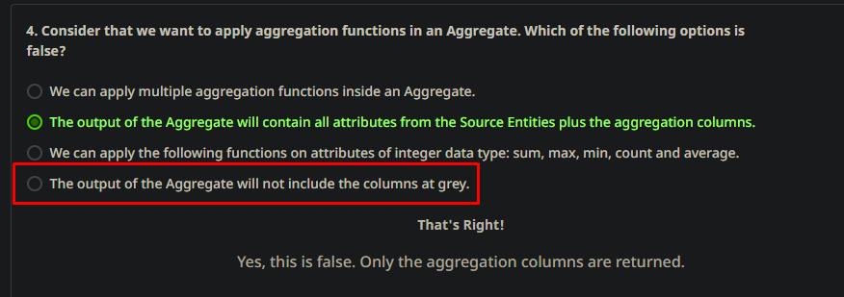

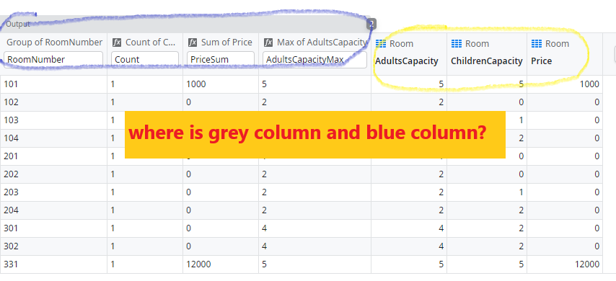

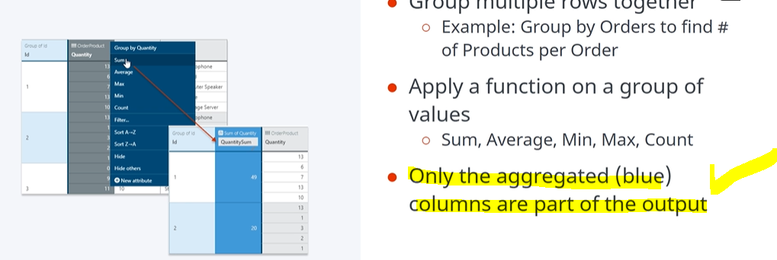


https://www.outsystems.com/forums/discussion/82363/about-aggregate-output-where-is-the-blue-columns-and-grey-columns/

Sheet2
